Table 20
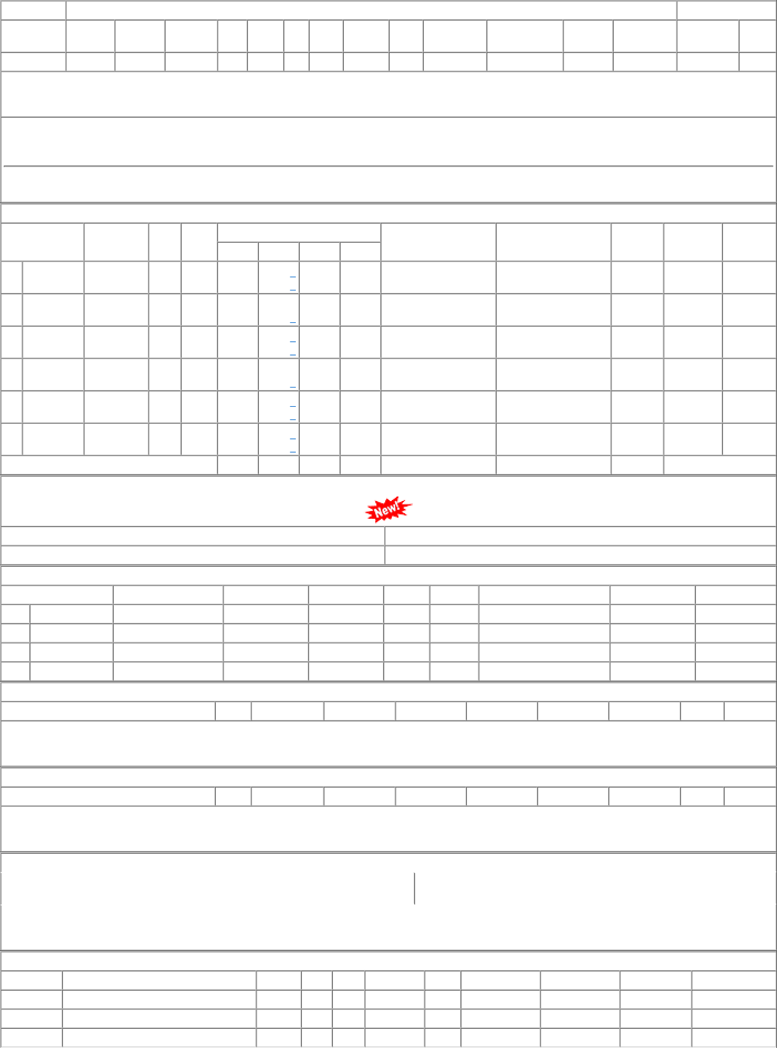
NFR | DBRT WORKSHOP DEPOT | 04 10 0 | 48.000 | Nos. 0 | 0 21-MAR-14

